DFDs
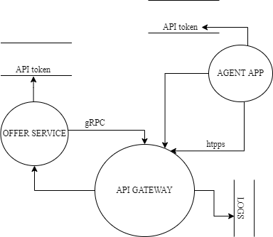
Context Diagram | Comments
 | On PKI admin can generate certificates. Company owner on agent app can be connected with user on dislinkt application with api token. The agent applcation is communicating with dislinkt via api token. The PKI application is used to generate certificate which is used in both dislinkt and agent applications.

Level 1
 | The IS Dislinkt Services subsystem is deployed on at leeats three machines : 1) DISLINKT - handles business login 2) Agent App - monolith application that adds functionality to dislinkt 3) PKI - creates certificates necessary for safe communication between whole subsystem

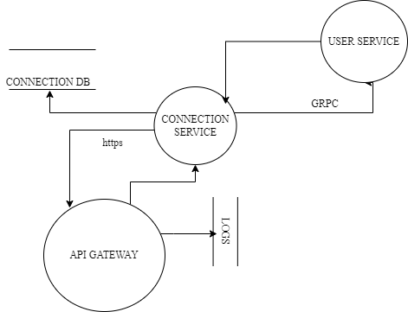

Level 2
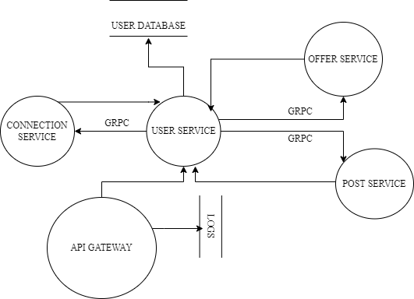 | The SS Request Handler is deployed on a single physical machine, running five virtual machines. These virtual machines contain: 1) Connection Service - handles business logic conserning connection between users 2) Offer service - handles offers either created on dislinkt or agent application, communicates with agent application via api token 3) User service - core service, handling and administrating users 4) Post service - service handling business logic related to users post, closely communicates with user service via gRPC and api gateway via https protocol

